Section 4
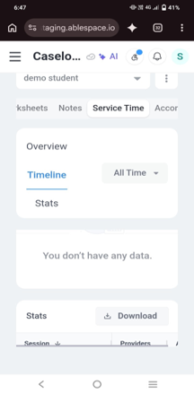
Section 4 — Bug Reports
BUG-01: Service Time statistics rows not visible on mobile
Field | Description
Bug ID | BUG-01
Title | Service Time statistics table rows are not visible in mobile view
Severity | Medium
Priority | High
Environment | https://staging.ablespace.io — Date: 25 October 2026
Browser/Device | Mobile view — vivo Y21G,Android version 13 Google Chrome
Reproducbility | Observed once; retest to confirm
Steps to Reproduce | 1. Log in to AbleSpace. 2. Open a student profile. 3. Select the Service Time tab. 4. Scroll to the statistics table.
Expected Result | All statistics rows should be visible and readable on mobile.
Actual Result | Only the title row was visible in mobile view, while the table was displayed in Chrome and Firefox desktop.
Evidence

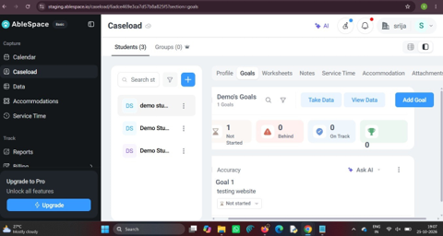
BUG-02: Add buttons move outside normal margins at larger font sizes
Field | Description
Bug ID | BUG-02
Title | Add buttons become misaligned when font size is increased
Severity | Low
Priority | Medium
Environment | https://staging.ablespace.io — Date: 25 October 2026
Browser/Device | Chrome desktop, Firefox desktop, and mobile view laptop: Windows 11,version: 26H2 Mobile About : vivo Y21G ,Android version 13
Reproducibility | Observed once; retest to confirm
Steps to Reproduce | 1. Log in to AbleSpace. 2. Open a student profile. 3. Open Goals, Accommodation, Family, or Attachments. 4. Increase the font size. 5. Observe the Add button position. | 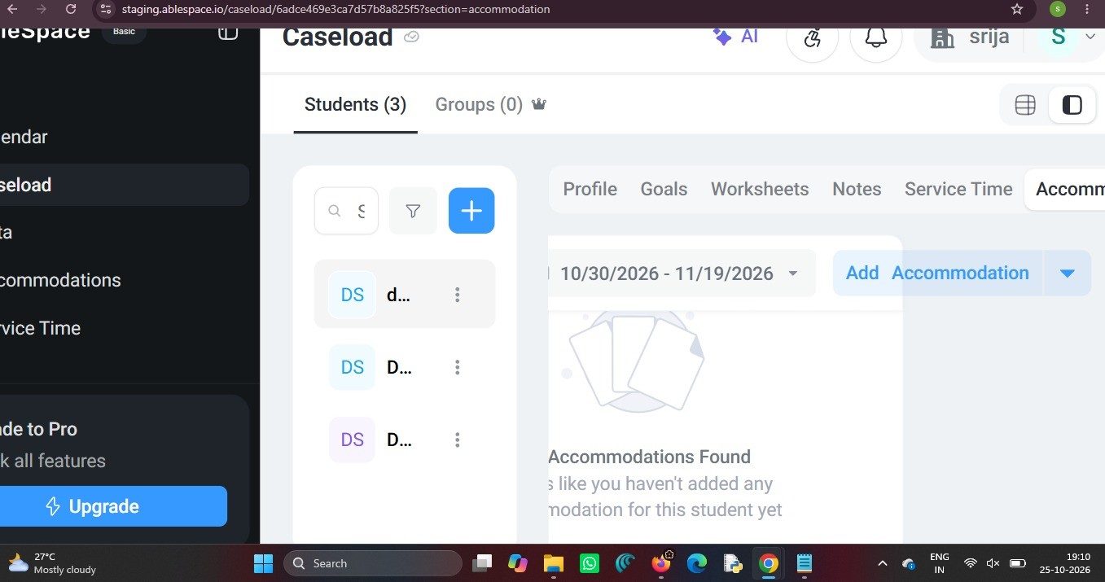
Expected Result | Add buttons should remain aligned within the page margins and be easy to use.
Actual Result | Add buttons moved outside their normal margins at larger font sizes but remained visible and clickable. At normal font size, the layout appeared proper.
Evidence | Attach screenshot:

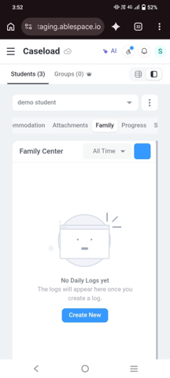
BUG-03: Family page button label missing on mobile
Field | Description
Bug ID | BUG-03
Title | Family page button label text is not visible in mobile view
Severity | Low
Priority | Low
Environment | https://staging.ablespace.io — Date: 25 October 2026
Browser/Device | Mobile view — vivo Y21G, Android version 13 Google Chrome
Reproducibility | Observed once; retest to confirm
Steps to Reproduce | 1. Log in to AbleSpace on mobile. 2. Open a student profile. 3. Select Family. 4. Observe and click the blue button.
Expected Result | The button should display a clear, readable label describing its action.
Actual Result | The blue button appeared without visible text. Clicking it opened the Choose Log Form panel.
Evidence | Attach screenshot:

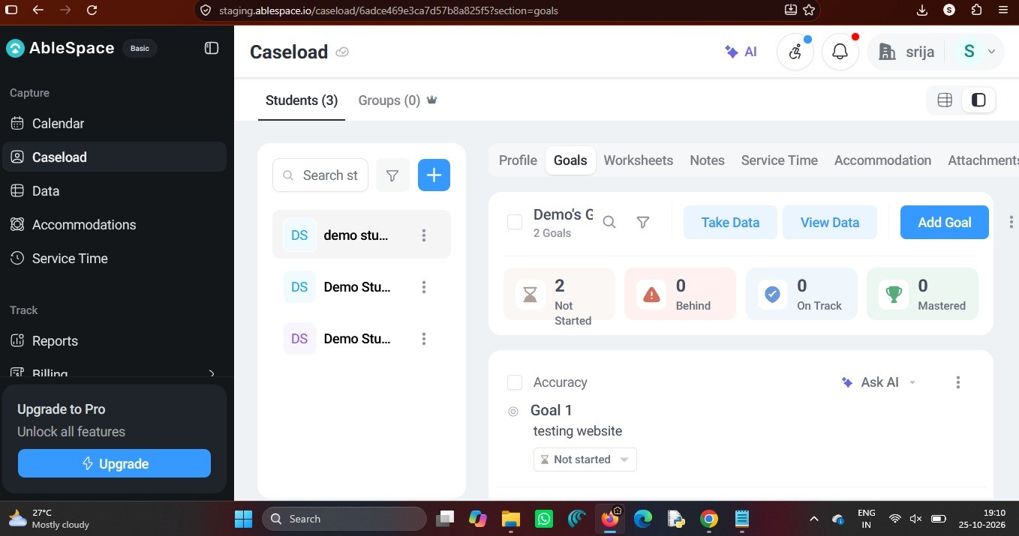
BUG-04: Goals heading overlaps the student name in Firefox
Field | Description
Bug ID | BUG-04
Title | Goals page heading overlaps the student name in Firefox
Severity | Low
Priority | Medium
Environment | https://staging.ablespace.io — Date: 25 October 2026
Browser/Device | Firefox desktop — Windows 11 ,version: 26H2
Reproducibility | Observed once; retest to confirm
Steps to Reproduce | 1. Log in to AbleSpace using Firefox. 2. Open a student profile. 3. Select Goals. 4. Observe the Goals heading and student name.
Expected Result | The heading and student name should be displayed separately without overlapping.
Actual Result | The Goals heading overlapped the student name during testing.
Evidence | Attach screenshot:

